Sheet1
DoubleClick on drop-down cell first
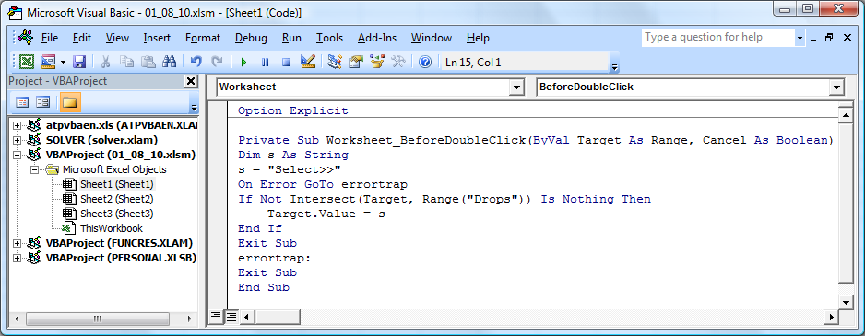
21 | Z | Select>> | Select>>

Bin_1 | Bin_2 | Bin_4 | Bin_5
1 | H | 10 | Charles
6 | F | 37 | David
3 | A | 88 | James
2 | B | 58 | John
9 | K | 37 | Joseph
4 | D | 17 | Michael
7 | G | 88 | Richard
3 | C | 30 | Robert
10 | M | 99 | Thomas
5 | E | 11 | William
11 | N | 90
12 | O | 21
13 | P | 60
14 | Q | 15
15 | R | 46
16 | S | 18
17 | T | 91
18 | U | 10
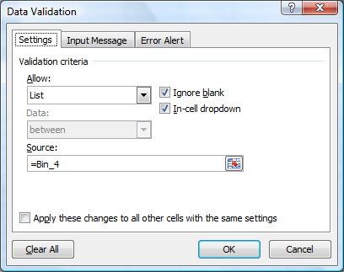
19 | X | 98
20 | Y | 47
21 | Z | 99

